Sheet1
1 | Proximity Sensor | SDA (Blue)
2 | Servo | Positive (Yellow)
3 | VNH25P30 Driver | PWM (Blue)
4 | VNH25P30 Driver | In A (Green)
5 | VNH25P30 Driver | In B (White)
6 | AMIS-30543 Driver | Nxt/Step (Blue)
7 | AMIS-30543 Driver | DIR (Blue)
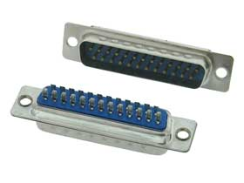
8 | AMIS-30543 Driver | CLK (Green)
9 | AMIS-30543 Driver | DI (Green)
10 | AMIS-30543 Driver | CS ( Green)
11 | Pressure Sensor 1 | Voltage Divider (Green)
12 | Pressure Sensor 2 | Voltage Divider (White)
13 | Proximity Sensor | SCL (white)
14 | nc | nc
15 | nc | nc
16 | nc | nc
17 | nc | nc
18 | nc | nc
19 | nc | nc
20 | Ground | Black
21 | Linear Resistor | Col (White)
22 | Top Rotary Encoder | Channel A (black)
23 | Top Rotary Encoder | Channel B (white)
24 | Claw Rotary Encoder | Channel B (White)
25 | Claw Rotary Encoder | Channel A (Black)

